Bipartite Graph
 | Varying the capacity and maximum probability
S.No | Number of nodes on source | Number of nodes on sink | Max probability | Minimum capacity | Maximum capacity | Vertices | Edges | FF runtime | SFF runtime | Preflow runtime | Maxflow | File name
1 | 500 | 500 | 0.75 | 50 | 150 | 1002 | 188263 | 7780 | 1534 | 43 | 37351 | var_cap_prob_1
2 | 500 | 500 | 0.6 | 250 | 350 | 1002 | 150560 | 22326 | 1439 | 33 | 150394 | var_cap_prob_2
3 | 500 | 500 | 0.5 | 450 | 550 | 1002 | 125796 | 39374 | 1343 | 2245 | 249448 | var_cap_prob_3
4 | 500 | 500 | 0.45 | 750 | 850 | 1002 | 113904 | 54323 | 1150 | 51 | 399273 | var_cap_prob_4
5 | 500 | 500 | 0.3 | 850 | 950 | 1002 | 76261 | 55171 | 1046 | 2169 | 449124 | var_cap_prob_5
6 | 500 | 500 | 0.2 | 950 | 1050 | 1002 | 51144 | 35071 | 1374 | 11 | 499806 | var_cap_prob_6

 | Varying the number of nodes on source and sink
S.No | Number of nodes on source | Number of nodes on sink | Max probability | Minimum capacity | Maximum capacity | Vertices | Edges | FF runtime | SFF runtime | Preflow runtime | Maxflow | File name
1 | 900 | 10 | 0.2 | 10 | 50 | 912 | 2760 | 1 | 2 | 370 | 250 | var_node_source_sink_1
2 | 650 | 166 | 0.2 | 10 | 50 | 818 | 22264 | 117 | 55 | 865 | 4788 | var_node_source_sink_2
3 | 500 | 318 | 0.2 | 10 | 50 | 820 | 32477 | 946 | 132 | 1014 | 9549 | var_node_source_sink_3
4 | 318 | 500 | 0.2 | 10 | 50 | 820 | 32192 | 142 | 41 | 21 | 9366 | var_node_source_sink_4
5 | 166 | 650 | 0.2 | 10 | 50 | 818 | 22331 | 31 | 31 | 13 | 4969 | var_node_source_sink_5
6 | 10 | 900 | 0.2 | 10 | 50 | 912 | 2749 | 4 | 1 | 0 | 254 | var_node_source_sink_6

Runtime wrt Varying Capacity and Max Probability
Runtime wrt varying no. of nodes on source and sink

S.No
1
2
3
4
5
6
7
8

Mesh Graph
Vertices vs Runtime with cc = False
 | For Varying Rows and Columns with cc = False
S.No | No. of Rows | No. of Columns | Capacity | Max Flow | Vertices | Edges | FileName | FF | SFF | PFP
1 | 5 | 10 | 500 | 753 | 52 | 135 | r_5_c_10.txt | 0 | 1 | 1
2 | 15 | 20 | 500 | 1388 | 302 | 875 | r_15_c_20.txt | 21 | 4 | 5
3 | 25 | 30 | 500 | 3922 | 752 | 2215 | r_25_c_30.txt | 768 | 73 | 236
4 | 35 | 40 | 500 | 5664 | 1402 | 4155 | r_35_c_40.txt | 1470 | 106 | 124
5 | 45 | 50 | 500 | 6334 | 2252 | 6695 | r_45_c_50.txt | 2882 | 194 | 1805
6 | 55 | 60 | 500 | 8751 | 3302 | 9835 | r_55_c_60.txt | 6156 | 417 | 606
7 | 65 | 70 | 500 | 8659 | 3852 | 11465 | r_65_c_70.txt | 8027 | 744 | 8581
8 | 75 | 80 | 500 | 10907 | 6002 | 17915 | r_75_c_80.txt | 16424 | 1279 | 12559
9 | 85 | 90 | 500 | 12746 | 7652 | 22855 | r_85_c_90.txt | 28157 | 1518 | 2136
10 | 95 | 100 | 500 | 14006 | 9502 | 28395 | r_95_c_100.txt | 41707 | 2154 | 27312

No. of Vertices vs Runtime with cc = True
 | For Varying Columns with cc = True
S.No | No. of Rows | No. of Columns | Capacity | Max Flow | Vertices | Edges | FileName | FF | SFF | PFP
1 | 80 | 50 | 200 | 16000 | 4002 | 11980 | column_50.txt | 98 | 99 | 6
2 | 80 | 150 | 200 | 16000 | 12002 | 35780 | column_150.txt | 426 | 491 | 19
3 | 80 | 250 | 200 | 16000 | 20002 | 59580 | column_250.txt | 1013 | 1029 | 42
4 | 80 | 350 | 200 | 16000 | 28002 | 83380 | column_350.txt | 1300 | 1308 | 197
5 | 80 | 450 | 200 | 16000 | 36002 | 107180 | column_450.txt | 1646 | 1791 | 114
6 | 80 | 550 | 200 | 16000 | 44002 | 130980 | column_550.txt | 2788 | 2201 | 170
7 | 80 | 650 | 200 | 16000 | 52002 | 154780 | column_650.txt | 2121 | 2692 | 155
8 | 80 | 750 | 200 | 16000 | 60002 | 178580 | column_750.txt | 3046 | 3011 | 161
9 | 80 | 850 | 200 | 16000 | 68002 | 202380 | column_850.txt | 4194 | 3812 | 302
10 | 80 | 950 | 200 | 16000 | 76002 | 226180 | column_950.txt | 3770 | 3863 | 300

S.No
1
2
3
4
5
6
7
8

Random Graph
Runtime vs Density
 | For varying density
S.No | Vertices | Density | Capacity | Max flow | FF runtime | SFF runtime | Preflow push runtime | Vertices | Edges | FileName
1 | 100 | 10 | 30-300 | 1952 | 51 | 3 | 10 | 101 | 909 | varied_density_1.txt
2 | 100 | 20 | 30-300 | 3651 | 394 | 21 | 39 | 101 | 1965 | varied_density_2.txt
3 | 100 | 30 | 30-300 | 4792 | 504 | 22 | 21 | 101 | 3025 | varied_density_3.txt
4 | 100 | 40 | 30-300 | 6058 | 858 | 27 | 2 | 101 | 4018 | varied_density_4.txt
5 | 100 | 50 | 30-300 | 6764 | 1128 | 44 | 34 | 101 | 4914 | varied_density_5.txt
6 | 100 | 100 | 30-300 | 16161 | 5328 | 199 | 5 | 101 | 9801 | varied_density_6.txt
7 | 100 | 150 | 30-300 | 16349 | 4968 | 311 | 4 | 101 | 9801 | varied_density_7.txt
8 | 100 | 200 | 30-300 | 13993 | 4352 | 184 | 8 | 101 | 9801 | varied_density_8.txt
9 | 100 | 250 | 30-300 | 15980 | 5087 | 218 | 9 | 101 | 9801 | varied_density_9.txt
10 | 100 | 300 | 30-300 | 15708 | 4932 | 170 | 3 | 101 | 9801 | varied_density_10.txt
11 | 100 | 400 | 30-300 | 16138 | 4520 | 194 | 23 | 101 | 9801 | varied_density_11.txt
12 | 100 | 500 | 30-300 | 15760 | 4699 | 218 | 26 | 101 | 9801 | varied_density_12.txt

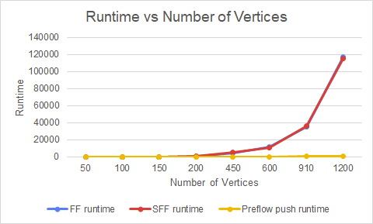
 | For varying vertices
S.No | Vertices | Density | Capacity | Max flow | FF runtime | SFF runtime | Preflow push runtime | Vertices | Edges | FileName
1 | 50 | 1100 | 200 | 9600 | 4 | 5 | 1 | 51 | 2401 | varied_vertices_50.txt
2 | 100 | 1100 | 200 | 19600 | 44 | 46 | 4 | 101 | 9801 | varied_vertices_100.txt
3 | 150 | 1100 | 200 | 29600 | 151 | 144 | 7 | 151 | 22201 | varied_vertices_150.txt
4 | 200 | 1100 | 200 | 39600 | 517 | 390 | 45 | 201 | 39601 | varied_vertices_200.txt
5 | 450 | 1100 | 200 | 89600 | 4631 | 5027 | 80 | 451 | 201601 | varied_vertices_450.txt
6 | 600 | 1100 | 200 | 119600 | 12051 | 10883 | 165 | 601 | 358801 | varied_vertices_600.txt
7 | 910 | 1100 | 200 | 181600 | 35531 | 35889 | 389 | 911 | 826281 | varied_vertices_910.txt
8 | 1200 | 1100 | 200 | 239600 | 117354 | 115597 | 970 | 1201 | 1437601 | varied_vertices_1200.txt

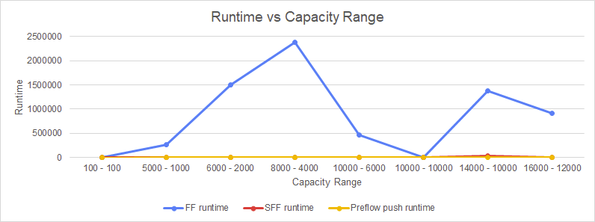
 | For varying capacity
S.No | Vertices | Density | Max Capacity - Min capacity | Max flow | FF runtime | SFF runtime | Preflow push runtime | Vertices | Edges | FileName
1 | 150 | 3751 | 100 - 100 | 14800 | 119 | 132 | 6 | 151 | 22201 | varied_capacity_1.txt
2 | 150 | 3751 | 5000 - 1000 | 448207 | 261412 | 797 | 108 | 151 | 22201 | varied_capacity_2.txt
3 | 150 | 3751 | 6000 - 2000 | 579545 | 1504629 | 811 | 114 | 151 | 22201 | varied_capacity_3.txt
4 | 150 | 3751 | 8000 - 4000 | 873567 | 2374256 | 982 | 10 | 151 | 22201 | varied_capacity_4.txt
5 | 150 | 3751 | 10000 - 6000 | 1179752 | 468866 | 2228 | 241 | 151 | 22201 | varied_capacity_5.txt
6 | 150 | 3751 | 10000 - 10000 | 1480000 | 150 | 154 | 8 | 151 | 22201 | varied_capacity_6.txt
7 | 150 | 3751 | 14000 - 10000 | 1745357 | 1375640 | 36296 | 465 | 151 | 22201 | varied_capacity_7.txt
8 | 150 | 3751 | 16000 - 12000 | 2053491 | 915505 | 894 | 12 | 151 | 22201 | varied_capacity_8.txt

Fixed Graph
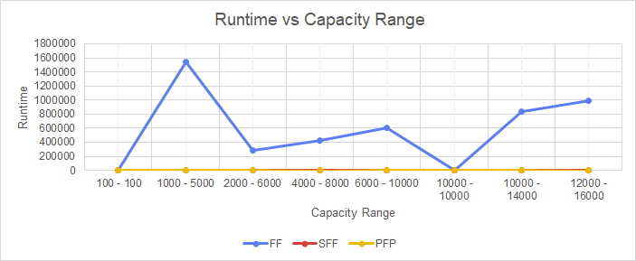
 | For Varying Capacity
S.No | No. of Vertices | No. of edges from each node | Capacity | File Name | Vertices | Edges | Maxflow | FF | SFF | PFP
1 | 500 | 80 | 100 - 100 | var_cap_100_100 | 502 | 40160 | 8000 | 170 | 92 | 13
2 | 500 | 80 | 1000 - 5000 | var_cap_1k_5k | 502 | 40160 | 238233 | 1547968 | 569 | 574
3 | 500 | 80 | 2000 - 6000 | var_cap_2k_6k | 502 | 40160 | 312865 | 288164 | 1052 | 653
4 | 500 | 80 | 4000 - 8000 | var_cap_4k_8k | 502 | 40160 | 464931 | 429136 | 552 | 9
5 | 500 | 80 | 6000 - 10000 | var_cap_6k_10k | 502 | 40160 | 633307 | 604687 | 574 | 633
6 | 500 | 80 | 10000 - 10000 | var_cap_10k_10k | 502 | 40160 | 8.00E+05 | 74 | 83 | 12
7 | 500 | 80 | 10000 - 14000 | var_cap_10k_14k | 502 | 40160 | 946018 | 840278 | 590 | 929
8 | 500 | 80 | 12000 - 16000 | var_cap_12k_16k | 502 | 40160 | 1111971 | 984226 | 585 | 10

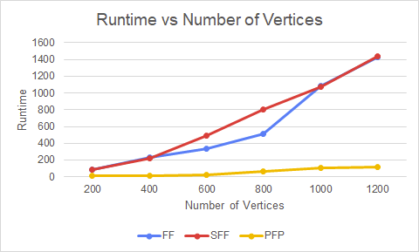
 | For Varying No. of Vertices
S.No | No. of Vertices | No. of edges from each node | Capacity | File Name | Vertices | Edges | Maxflow | FF | SFF | PFP
1 | 200 | 150 | 80 | var_ver_200_150 | 202 | 30300 | 12000 | 88 | 91 | 8
2 | 400 | 150 | 80 | var_ver_400 | 402 | 60300 | 12000 | 229 | 221 | 12
3 | 600 | 150 | 80 | var_ver_600 | 602 | 90300 | 12000 | 337 | 489 | 21
4 | 800 | 150 | 80 | var_ver_800 | 802 | 120300 | 12000 | 516 | 806 | 66
5 | 1000 | 150 | 80 | var_ver_1k | 1002 | 150300 | 12000 | 1081 | 1071 | 107
6 | 1200 | 150 | 80 | var_ver_1200 | 1202 | 180300 | 12000 | 1423 | 1441 | 119

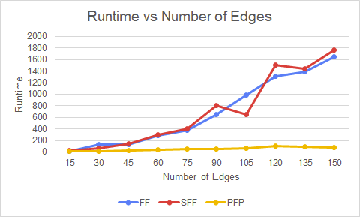
 | For Varying No. of Edges
S.No | No. of Vertices | No. of Edges from each node | Capacity | File Name | Vertices | Edges | Maxflow | FF | SFF | PFP
1 | 1750 | 15 | 30 | var_edge_node_15 | 1752 | 26280 | 450 | 17 | 19 | 10
2 | 1750 | 30 | 30 | var_edge_node_30 | 1752 | 52560 | 900 | 130 | 69 | 14
3 | 1750 | 45 | 30 | var_edge_node_45 | 1752 | 78840 | 1350 | 131 | 139 | 22
4 | 1750 | 60 | 30 | var_edge_node_60 | 1752 | 105120 | 1800 | 281 | 298 | 32
5 | 1750 | 75 | 30 | var_edge_node_75 | 1752 | 131400 | 2250 | 376 | 408 | 50
6 | 1750 | 90 | 30 | var_edge_node_90 | 1752 | 157680 | 2700 | 653 | 799 | 53
7 | 1750 | 105 | 30 | var_edge_node_105 | 1752 | 183960 | 3150 | 982 | 653 | 66
8 | 1750 | 120 | 30 | var_edge_node_120 | 1752 | 210240 | 3600 | 1306 | 1506 | 105
9 | 1750 | 135 | 30 | var_edge_node_135 | 1752 | 236520 | 4050 | 1388 | 1447 | 85
10 | 1750 | 150 | 30 | var_edge_node_150 | 1752 | 262800 | 4500 | 1655 | 1772 | 81

